Instructions
Scout Instructions

1. Enter in ONE customer's order on one sheet (e.g. Your first customer on "Customer1" sheet your second customer on "Customer2" sheet). The Customer sheets will be renamed when you save. You can add Customer Sheets as need. Please ensure they are placed between "Start" and "End". Please ensure you enable macros when opening this file!!! If you have any questions feel free to email santhi.peeler@gmail.com | 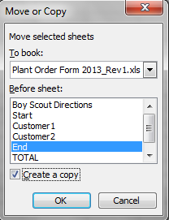 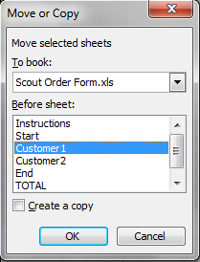
2. Please make sure that the money you have received from your customers matches the Grand Total at the bottom of the TOTAL sheet.
3. When your totals match, please save the file and email a copy back to Santhi.peeler@gmail.com no later than April 12th.
4. Customers can make electronic payment via Zelle or Quick Pay to Treasurer@3firestroop101.org. Inform them that the payment will be identified as "BSA Troop 101 registered with Community Christian Church." If customers wish to pay by check to the troop, make it payable to "BSA Troop 101." Cash and checks will need to be dropped off to Mrs. Cross by appointment.

Please note: The TOTAL Sheet cannot be edited.

